Requirement Logic
 | Case Study # 006 - Business Partner transation Blueprint display in ALV format
Object Description |  | Need a program which will generate the ALV of business data associate with Business partner number. The program should have two options 1. Business Partner number 2. Creation date. The option should accept the range of business partner number and creation date, opt a button which will display the ID type and ID number for business partner number entered.

Selection screen
1 | Accept Business partner number & Creation date type from selection screen as Mandatory Inputs.
2 | User should be able to select either single Business partner number or range and similarly the date (Select option).


Logic for Report
3 | Fetch related data from table ZBUT000 based on selection screen inputs.
4 | Display First name, last name, search field 1&2, country, Sex, marriage staus, birth date, external business partner number
5 | Add back button on the first screen which will navigate user to Selection screen | z
6 | Add 'Show ID Details' On clicking this button , go to third screen which will display the ID type and TD number
7 | Add Cancel button on third screen
8 | On clicking the cancel button it will jump to selction screen directly

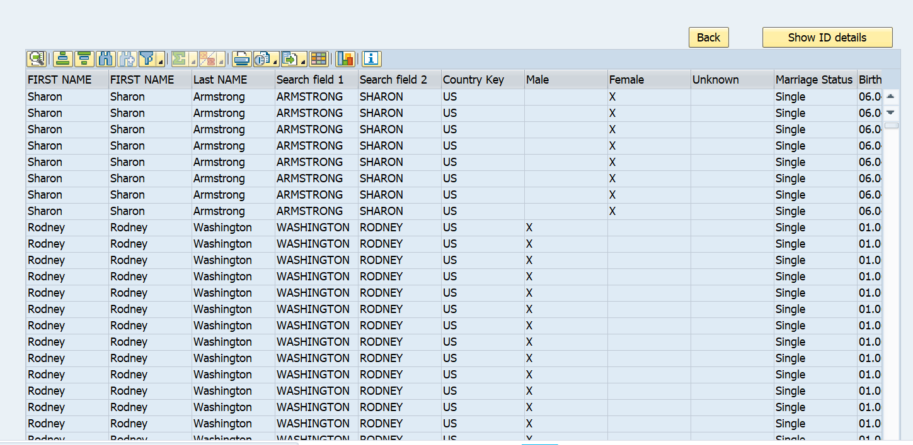
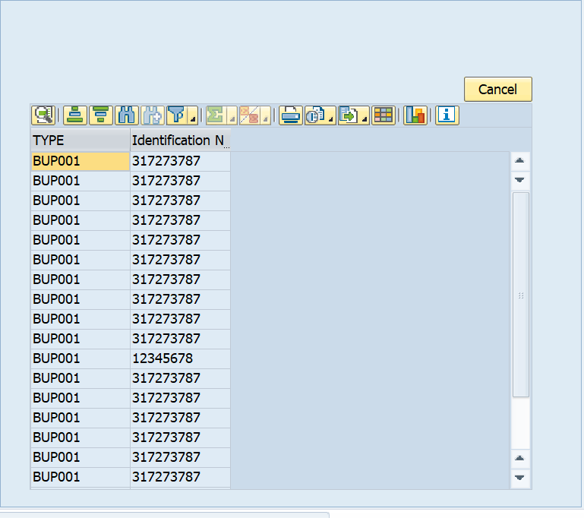
Functionality:
 | T-code : | BP

Logic to retrieve data from tables
 | How to retrieve data from Table?

 | A) To display data from ( BUT000 - partner, name_last, name_first, bu_sort1, bu_sort2, namcountry, xsexm, xsexf, xsexu, marst, birthdt, emplo, bpext ) & ( BUT0ID - type, idnumber)

